TradeDetails
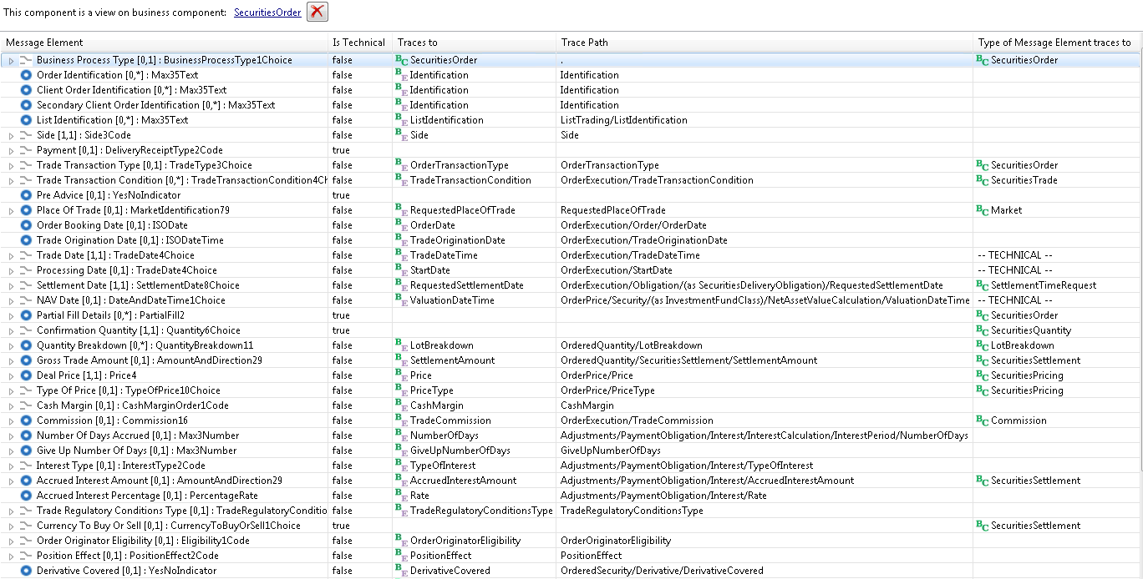
Order17
Message Representation

PartyTradingDetails
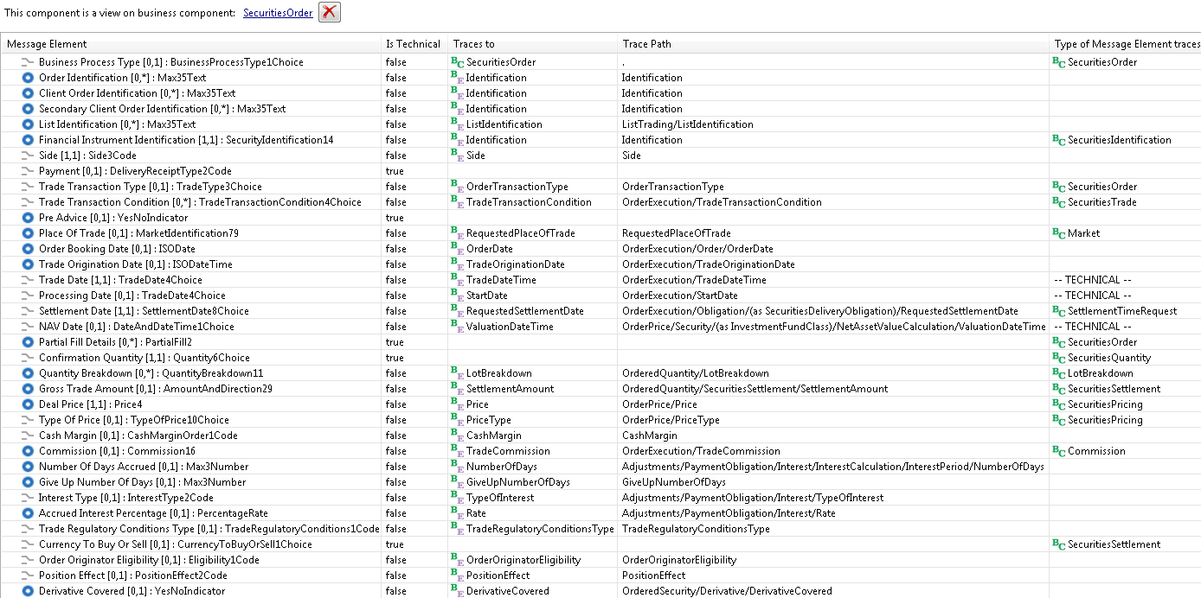
Order18
Message Representation

FinancialInstrumentAttributes
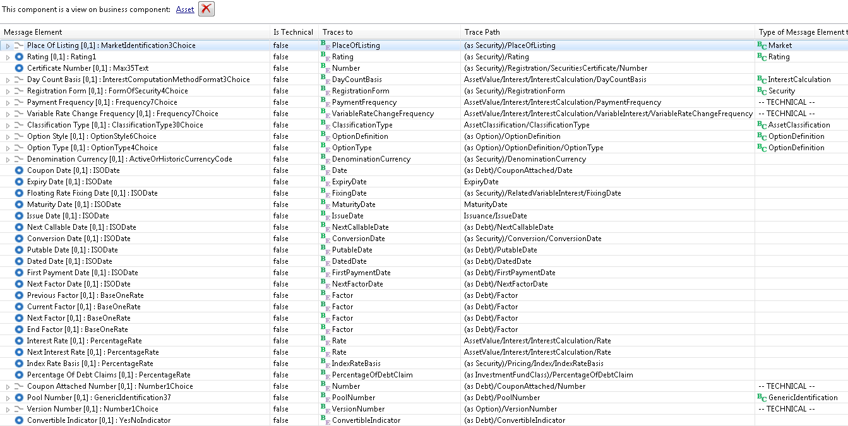
FinancialInstrumentAttributes44
Message Representation

Stipulations
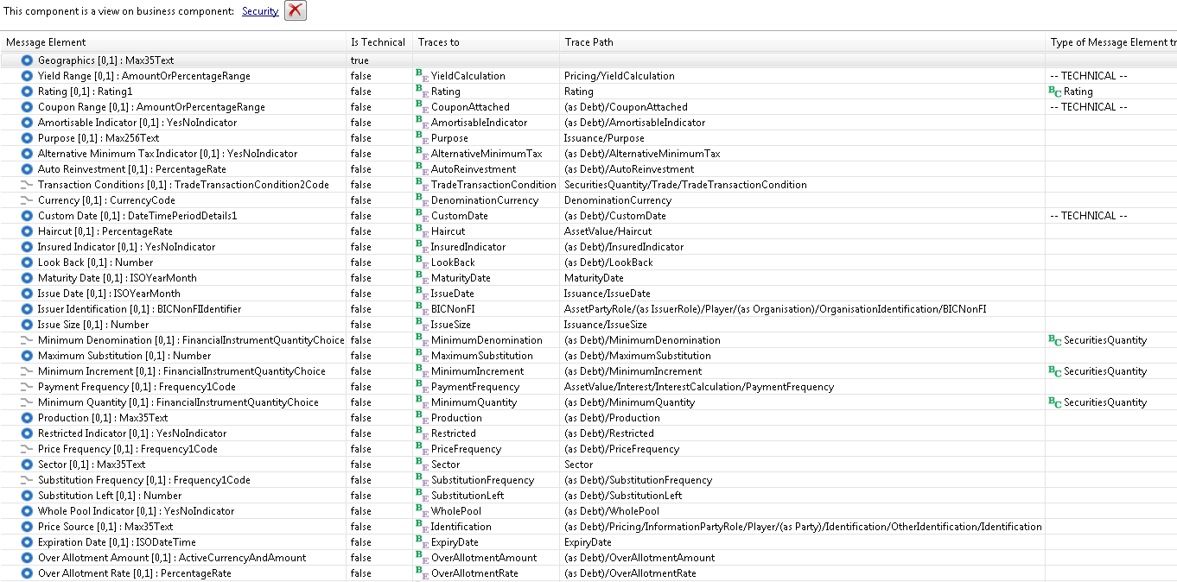
FinancialInstrumentStipulations2
Message Representation

SettlementParameters
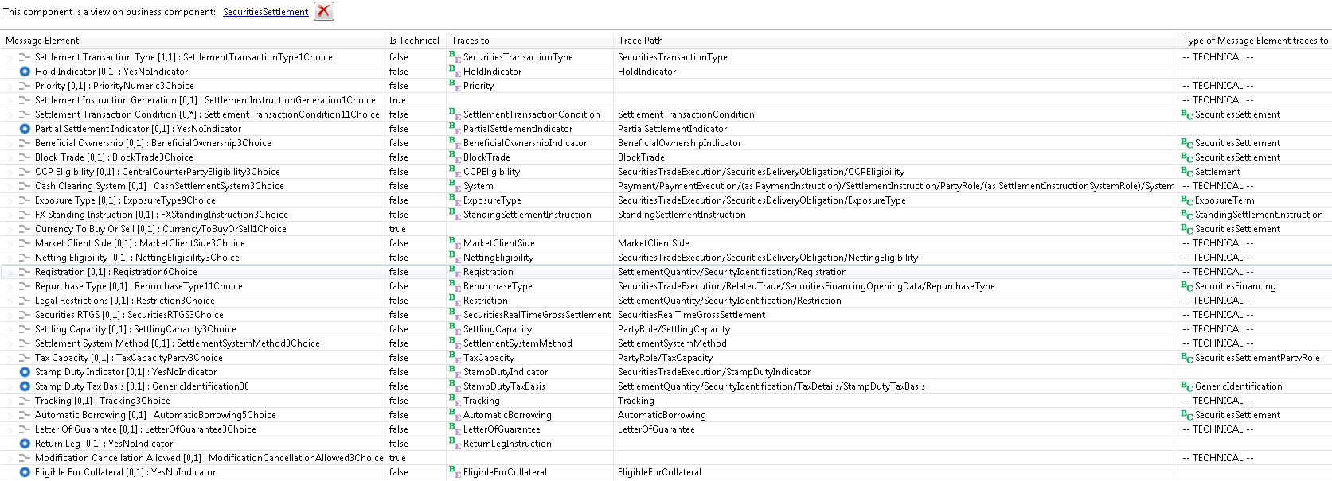
SettlementDetails43
Message Representation

OtherAmounts
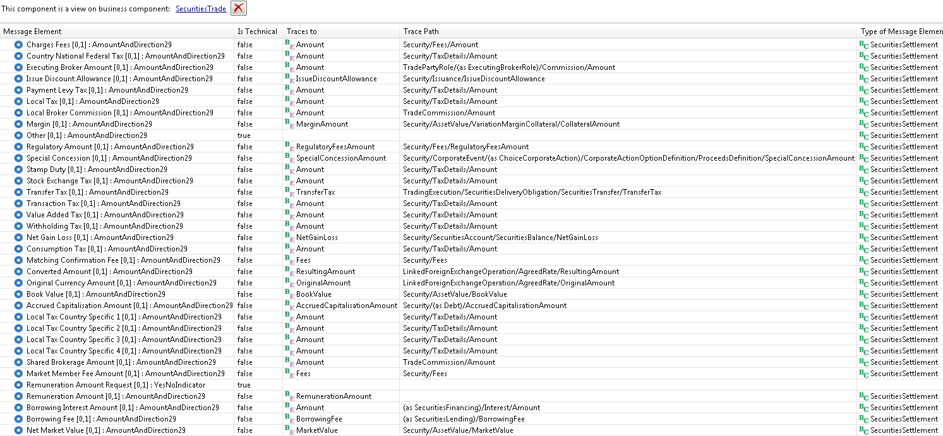
OtherAmounts16
Message Representation

